Sheet1
 |  | Document No. | Issue No. |  | Issue Date |  | Review and Replace Date |  |  | Authorised By
 |  | GFF305MC | 5 |  | 05.08.2021 |  | 22.04.2022
 |  | Document Title | CHICKEN PANANG CURRY WITH BLACK RICE 400G
 |  | Document review and updated |  |  |  | Page |  | 1 of 1 |  | Magda Shah
Document amendments reason for change |  |  |  |  |  | Previous Issue Date |  | 14.03.2022 |  | Uncontrolled copy unless signed original

FCPANR1-R8TMC | MINDFUL CHEF |  | CHICKEN PANANG CURRY WITH BLACK RICE 400G | FROZEN
STEP 1 |  |  |  |  |  | STEP 2
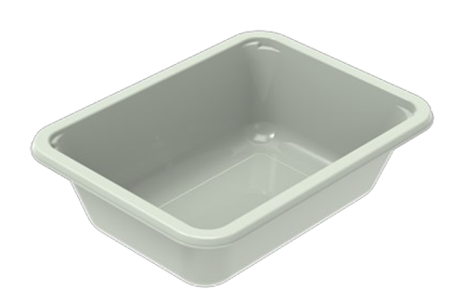 |  |  |  |  |  | 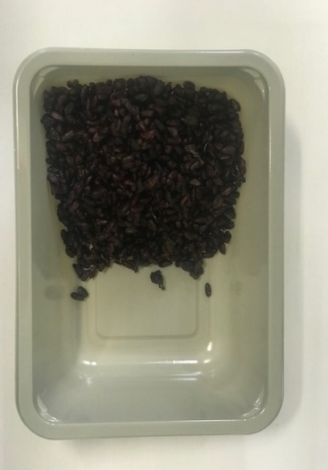

PACK DAY + 1 YEAR
NON-MAP PACK

Tray: EVOLVE CPET 2171-1F FROST (PKRHP001-14) |  |  |  |  |  | Black Rice (MC) (GFF238R): 100g
Film: K Peel 3G 25µm (275mmX1000lm)-PKKMP001-04
STEP 3 |  |  |  | STEP 4 |  |  |  |  | STEP 5
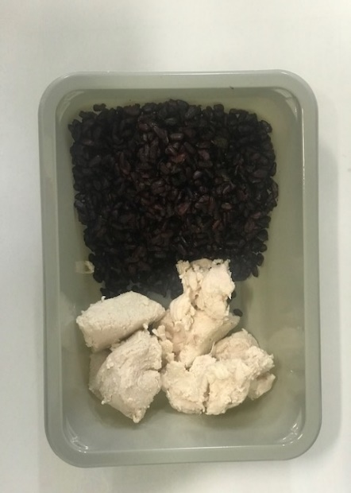 |  |  |  | 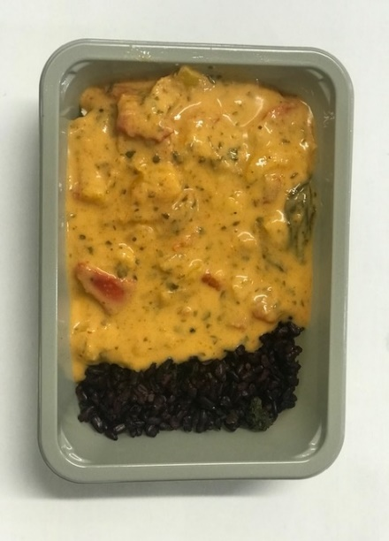 |  |  |  | 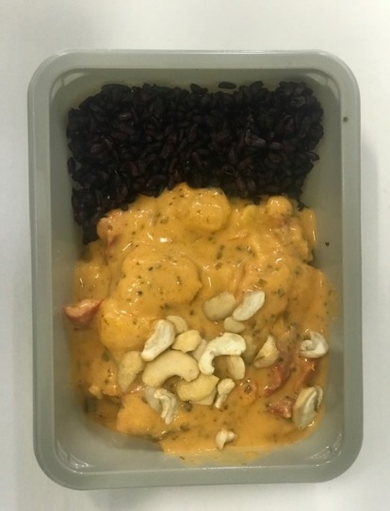

Diced Lemon and Garlic Chicken (IQF) (High Welfare)RMHAR006-02-: 70g |  |  |  | Panang Curry Sauce (MC) (GFF377R): 225g |  |  |  | LP Roasted Cashews (RMKLU001-03): 5g |  |  | TOTAL WEIGHT: 400g

ALLERGY ALERT: CRUSTACEAN, NUTS

